PURCHASE ORDER
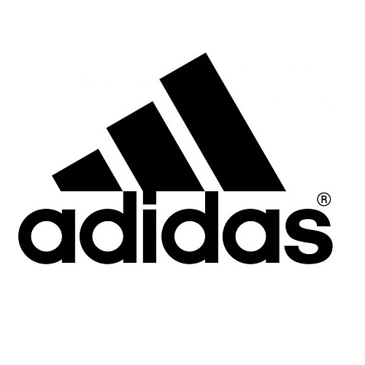
BALLON ADIDAS WORLD CUP GLIDER
REFERENCES | PHOTOS | COULEURS | QUANTITES | RETAIL PRICE
CE8097 | 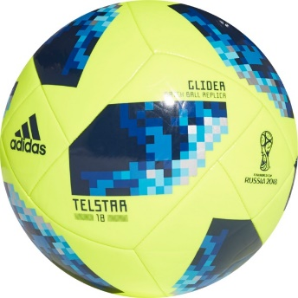 | Solar Yellow / Sola Blue / Bright Royal | 10492 | 20 €
CE8098 | 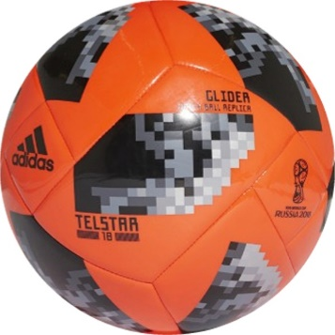 | Solar Red / Black / Silver Met. | 5492 | 25 €
CE8099 | 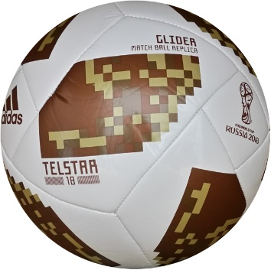 | Withe / Copper Gold/Gold Met. | 2500 | 25 €
CE8100 | 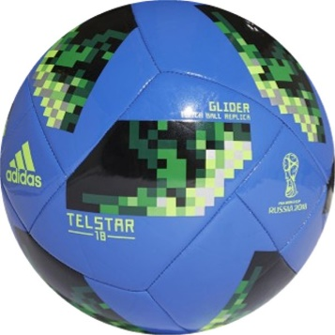 | Hi-res Blue s18 / Solar Green / Silver Met. | 2500 | 20 €
 |  |  | 20984

